Instructions
Tree Inventory Instructions: This Tree Inventory Table and Calculations Template assists applicants with fulfilling the submittal requirements in BDC 3.2.200.B.1, Tree Inventory and BDC 3.2.200.C, Tree Preservation Requirements. If mitigation is necessary, this template also assists applicant with calculating the requirements in BDC 3.2.200.E, Mitigation Options. Note: This spreadsheet has different tabs, each used for a specific calculation process. Below, you'll find instructions for each tab. Cells with any kind of shading are locked, meaning you shouldn’t change them. You can only edit cells that are either white or bright yellow.

Tree Inventory Tab: Complete the tree inventory table with the following required information per BDC 3.2.200.B.1: • Tree ID number • Type of tree (e.g. conifer or deciduous) • Tree diameter at breast height (DBH) • Whether the tree will be preserved or removed If a tree is in bad shape—poor, very poor, or dead—choose the right option from the dropdown in that column. Such trees are exempt from the tree preservation requirements. You also need to provide proof from a certified tree expert (arborist). See: https://bend.municipal.codes/BDC/3.2.200(B)(1)(b) If any encroachments into the root protection zone of a preserved tree are proposed, choose YES from the drop-down in the colored column. If no root encroachment of a preserved tree is proposed, choose NO. Encroachment into the root protection zone cannot exceed more than half the radius of the root protection zone and 25% of the total root protection zone area. See: https://bend.municipal.codes/BDC/3.2.200(F) If a tree is multi-stemmed (multiple trunks at breast height), use the formula in BDC 1.2, Diameter at Breast Height (DBH) to calculate the correct diameter number. The spreadsheet will automatically determine which trees are Priority Trees (as shown in the red box in the example below) and will automatically highlight where encroachments should be labeled with a yes or no (see red arrow in the example below). If Yes is selected for the encroachment question, you will also be required to fill out the following column (purple arrow) on far right.

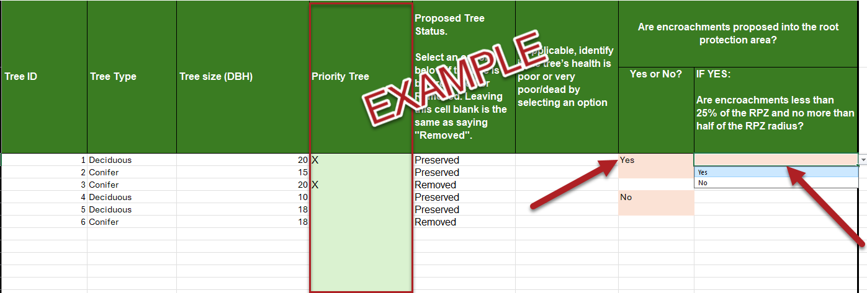
Tree Preservation Calcs Tab: All of the calculations in this table are automatically generated from the tree inventory table based on the requirements in BDC 3.2.200.B.3. This page will be very helpful for filling out information on the Online Permit Center Portal.

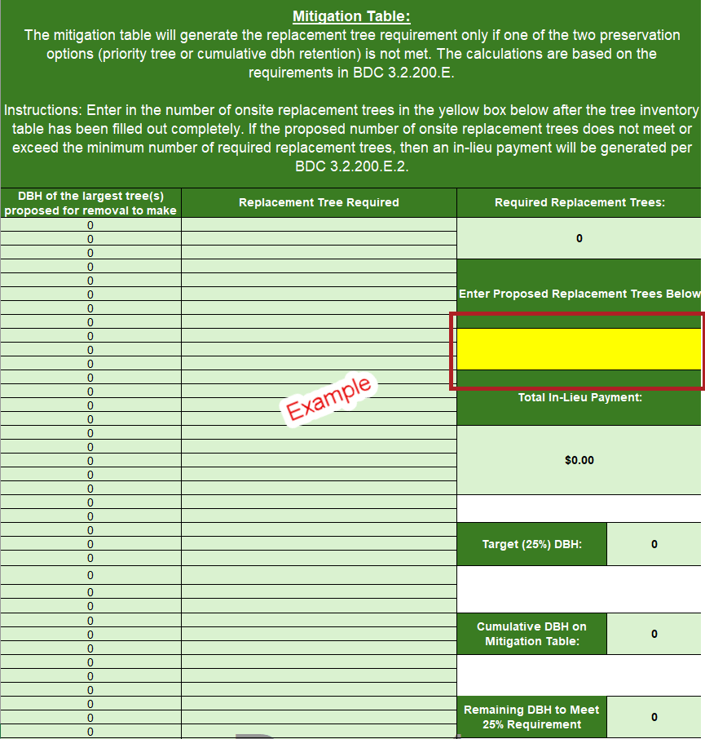
 | 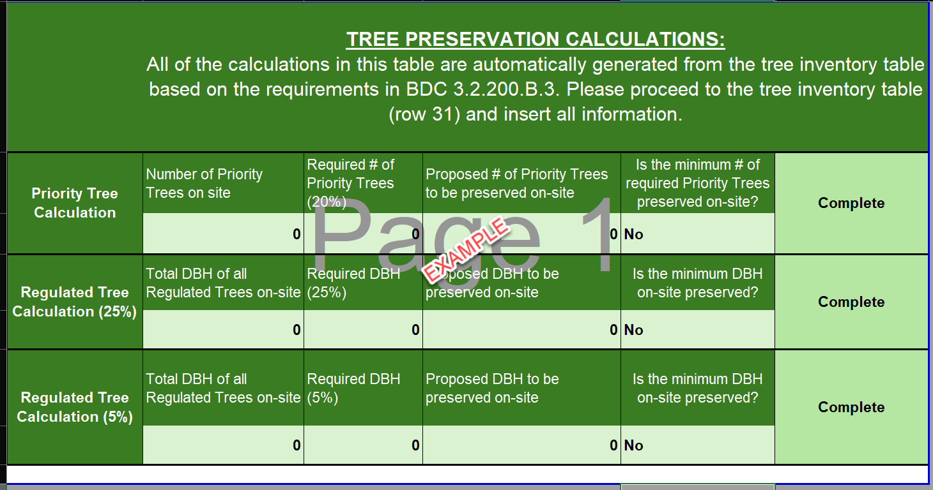
Mitigation Table: The mitigation table will generate the replacement tree requirement only if one of the two preservation options (priority tree or cumulative dbh retention) is not met. The calculations are based on the requirements in BDC 3.2.200.E. If the proposed number of onsite replacement trees does not meet or exceed the minimum number of required replacement trees, then an in-lieu payment will be generated per BDC 3.2.200.E.2. Mitigation can include a mix of replacement trees and an in-lieu payment. In the cell highlighted below, enter in the number of onsite replacement trees after the tree inventory table has been filled out completely. The spreadsheet will then calculate what a potential total in-lieu payment will look like based on the information the applicant has filled out.

